Table 1

Selected Acquisition Report (SAR)
RCS: DD-A&T(Q&A)823-202
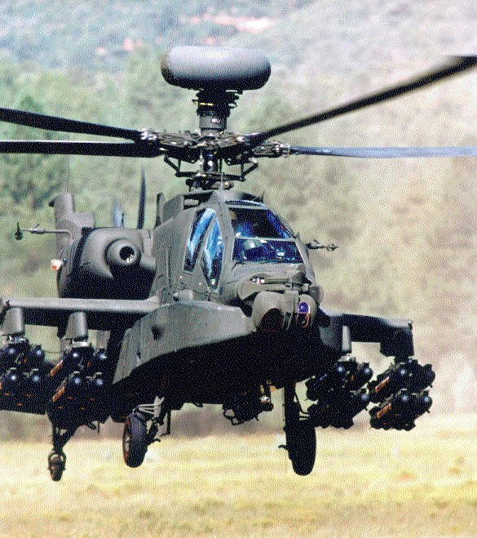
AH-64E Apache Remanufacture (AH-64E Remanufacture)
As of FY 2017 President's Budget
Defense Acquisition Management Information Retrieval
(DAMIR)

Table 10
Schedule
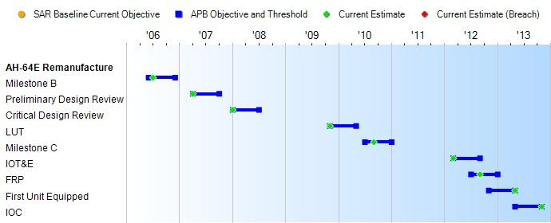
None
Schedule Events
Events | SAR Baseline Production Estimate | Current APB Production Objective/Threshold |  | Current Estimate
Milestone B | Jun 2006 | Jun 2006 | Dec 2006 | Jul 2006
Preliminary Design Review | Apr 2007 | Apr 2007 | Oct 2007 | Apr 2007
Critical Design Review | Jan 2008 | Jan 2008 | Jul 2008 | Jan 2008
LUT | Nov 2009 | Nov 2009 | May 2010 | Nov 2009
Milestone C | Jul 2010 | Jul 2010 | Jan 2011 | Sep 2010
IOT&E | Mar 2012 | Mar 2012 | Sep 2012 | Mar 2012
FRP | Jul 2012 | Jul 2012 | Jan 2013 | Sep 2012
First Unit Equipped | Nov 2012 | Nov 2012 | May 2013 | May 2013
IOC | May 2013 | May 2013 | Nov 2013 | Nov 2013
Change Explanations
Notes
AH-64E Remanufacture (formerly known as Apache Block IIIA) schedule encompasses a 12-year EMD phase which began with a risk reduction effort from May 2005 to July 2006. This effort was followed by the current development effort which began in July 2006 and continues through September 2019. Production started in FY 2010 and continues through FY 2024.

Table 25
Unit Cost History
Item |  |  |  |  |  |  | Date |  |  |  | BY 2010 $M |  |  |  |  |  | TY $M
 |  |  |  |  |  |  |  |  |  |  | PAUC |  |  | APUC |  |  | PAUC |  |  |  | APUC

Original APB |  |  |  |  | Aug 2006 |  |  |  |  |  | 11.735 |  |  |  | 9.945 |  |  | 13.445 |  |  |  | 11.649
APB as of January 2006 |  |  |  |  | N/A |  |  |  |  |  | N/A |  |  |  | N/A |  |  | N/A |  |  |  | N/A
Revised Original APB |  |  |  |  | Dec 2010 |  |  |  |  |  | 16.383 |  |  |  | 13.970 |  |  | 18.618 |  |  |  | 16.139
Prior APB |  |  |  |  | Dec 2010 |  |  |  |  |  | 16.383 |  |  |  | 13.970 |  |  | 18.618 |  |  |  | 16.139
Current APB |  |  |  |  | Nov 2012 |  |  |  |  |  | 18.141 |  |  |  | 15.912 |  |  | 21.282 |  |  |  | 18.993
Prior Annual SAR |  |  |  |  | Dec 2014 |  |  |  |  |  | 19.869 |  |  |  | 17.600 |  |  | 23.110 |  |  |  | 20.771
Current Estimate |  |  |  |  | Dec 2015 |  |  |  |  |  | 19.810 |  |  |  | 17.498 |  |  | 22.844 |  |  |  | 20.455
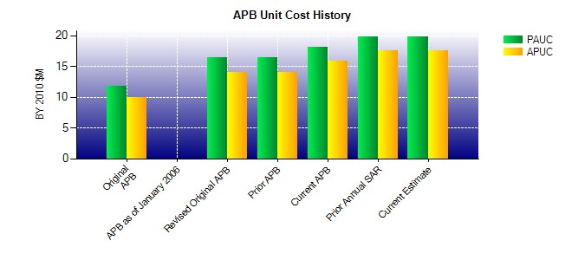
SAR Unit Cost History
Initial SAR Baseline to Current SAR Baseline (TY $M)
Initial PAUC Development Estimate | Changes |  |  |  |  |  |  |  |  |  |  |  |  |  |  |  |  |  |  | PAUC Production Estimate
 | Econ |  | Qty |  |  | Sch |  | Eng |  | Est |  |  | Oth |  | Spt |  | Total
13.445 -0.626 -0.159 0.231 0.000 3.961 0.000 1.766 5.173 18.618
Current SAR Baseline to Current Estimate (TY $M)
PAUC Production Estimate |  | Changes |  |  |  |  |  |  |  |  |  |  |  |  |  |  |  |  | PAUC Current Estimate
 |  | Econ |  | Qty |  | Sch |  | Eng | Est |  |  | Oth |  | Spt |  | Total
18.618 0.111 0.000 -0.150 0.000 5.560 0.000 -1.295 4.226 22.844

